diff std values
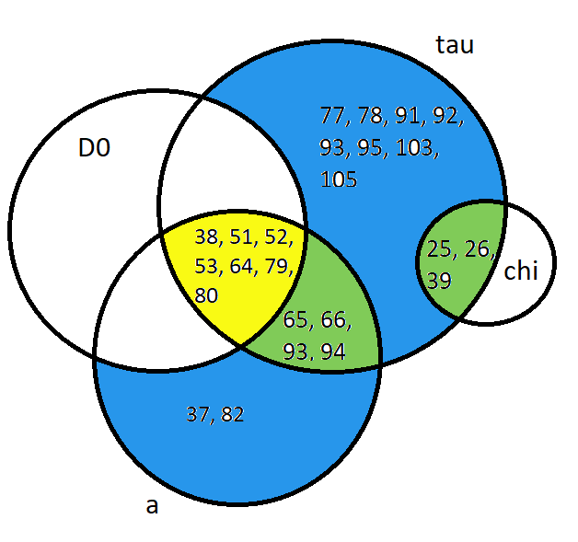
condition that can be varied | All gene oscillation (changing std values)
 | 9 |  | 13 |  | 17 |  | 21
 | D0 |  | chi |  | a |  | tau
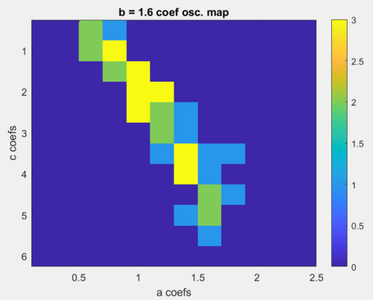
 | relaxed | stringent | relaxed | stringent | relaxed | stringent | relaxed | stringent
Cond1: max correlation value | 0.4 | 0.4 | 0.4 | 0.85 | 0.4 | 0.4 | 0.4 | 0.4
Cond2: #peaks>0 | TRUE | TRUE | TRUE | TRUE | TRUE | TRUE | TRUE | TRUE
Cond3: max cor value not at lag 0* | TRUE | TRUE | TRUE | TRUE | TRUE | TRUE | TRUE | TRUE
Cond4: range of cor value > x | 0.3 | 0.55 | 0.2 | 1.2 | 0.3 | 0.55 | 0.4 | 0.8
Cond5: std dev thresh for gene freq (range values as theoretical) | 6.5 | 6.5 | 5.3 | 5.3 | 12 | 12 | 8.5 | 8.5
# paramsets satisfy all conditions | 8 | 7 | 3 | 3 | 15 | 15 | 25 | 23
# True positives | 7 | 7 | 3 | 3 | 13 | 13 | 21 | 21
# False postives | 1 | 0 | 0 | 0 | 2 | 2 | 4 | 2
# paramsets failed conditions | 136 | 136 | 141 | 141 | 129 | 129 | 119 | 121
# True negatives | 134 | 134 | 141 | 141 | 129 | 129 | 118 | 120
# False negatives | 1 | 1 | 0 | 0 | 0 | 0 | 1 | 1
Filenames with true oscillations | 38, 51, 52, 53, 64, 65, 79, 80 |  | 25,26,39 |  | 37, 38, 51, 52, 53, 64, 65, 66, 79, 80, 82, 93, 94 |  | 25, 26, 38, 39, 51, 52, 53, 64, 65, 66, 67, 77, 78, 79, 80, 91, 92, 93, 94, 95, 103, 105
Borderline | 37

Cond1: max correlation value | 0.4 | 0.4
Cond2: #peaks>0 | TRUE | TRUE
Cond3: max cor value not at lag 0* | TRUE | TRUE
Cond4: range of cor value > x | 0.4 | 0.55
Cond5: std dev thresh for gene freq (range values as theoretical) | varied | varied
D0 | 6.5 | 6.5
# paramsets satisfy all conditions | 8 | 7
# True positives | 7 | 7
# False postives | 1 | 0
# paramsets failed conditions | 136 | 137
# True negatives | 134 | 136
# False negatives | 1 | 1
chi | 5.3 | 5.3
# paramsets satisfy all conditions | 3 | 3
# True positives | 3 | 3
# False postives | 0 | 0
# paramsets failed conditions | 141 | 141
# True negatives | 141 | 141
# False negatives | 0 | 0
a | 12 | 12
# paramsets satisfy all conditions | 15 | 15
# True positives | 13 | 13
# False postives | 2 | 2
# paramsets failed conditions | 129 | 129
# True negatives | 129 | 129
# False negatives | 0 | 0
tau | 8.5 | 8.5
# paramsets satisfy all conditions | 25 | 25
# True positives | 21 | 21
# False postives | 4 | 4
# paramsets failed conditions | 119 | 119
# True negatives | 118 | 118
# False negatives | 1 | 1

